حركة المقبوضات
Defect ID | Module Name | Test Date | Summary | Description | Steps to Reproduce | Expected Result | Actual Result | Defect Severity | Defect Priority | Assigned to | Status | Comments
1 | Mersal-Movement of receipts | 2019-06-09 | login issue | when I back after login it gives me login page + foundation accounts | 1-login 2-click back button | only login page | 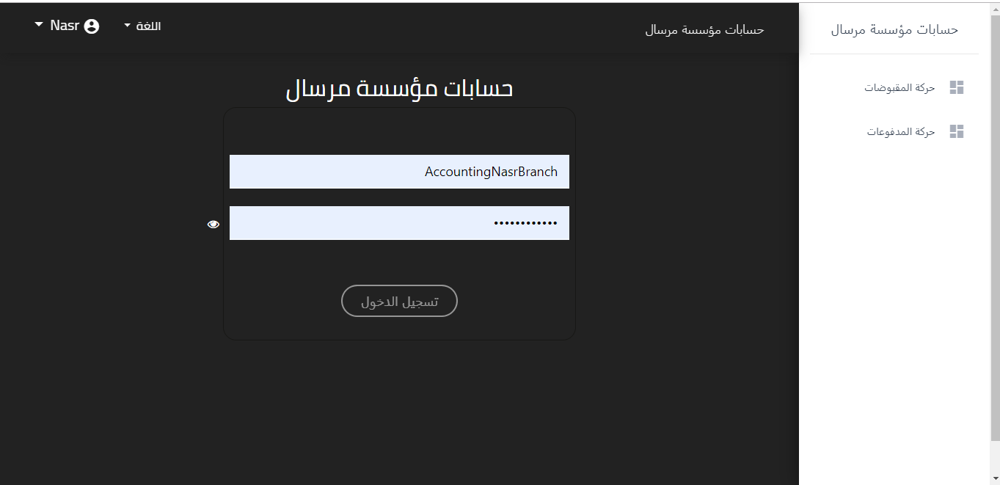 | Major | High Priority | Ahmed Shaikoun | Open state
2 | Mersal-Movement of receipts | 2019-06-09 | Mersal Foundation word issue | if I click on mersal foundation word in home page it make me back to login page | 1-login 2- click on mersal foundation word. | go to the home page or make the word not clickable. | go to the login page | Critical | High Priority | Ahmed Shaikoun | Open state
3 | Mersal-Movement of receipts | 2019-06-09 | account name issue | the account name should be completed | 1-login as nas city | the name should be completed (nasr city) |  | Low | Low Priority | Ahmed Shaikoun | Open state
4 | Mersal-Movement of receipts | 2019-06-09 | language issue | movement of reciepts table : payment, branch and the value columns should change when I change the language | 1- login | if I changed the language all columns should change to selected language except source name. | 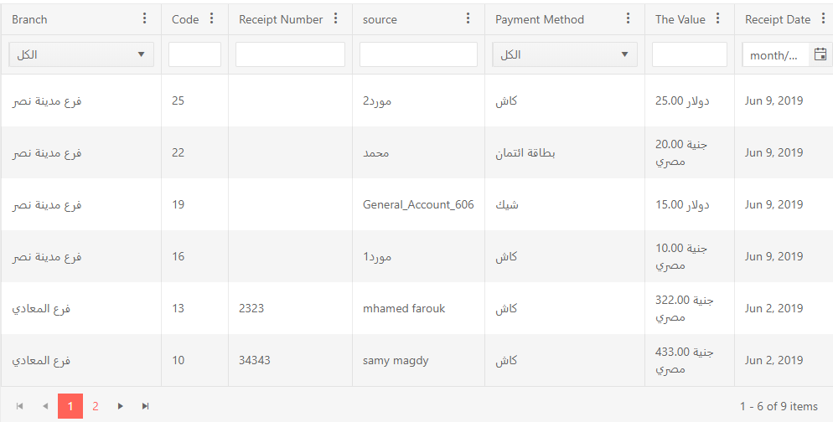 | Minor | Medium Priority | Ahmed Shaikoun | Open state | solved
5 | Mersal-Movement of receipts | 2019-06-09 | language issue | after changing the language to english and then try to change it back the language (عربي) has to change to (العربية) | 1-login 2-click on language button. 3- choose english language. 4- click on language button again. | العربية | عربي | Low | Low Priority | Ahmed Shaikoun | Open state
6 | Mersal-Movement of receipts | 2019-06-09 | language issue | in arabic language the movement of receipts the number of items in page written by english and wrong | 1-login | 1-5 من 5 (حركات او بنود) or be written by english and correct |  | Minor | Medium Priority | Ahmed Shaikoun | Open state | please provide image or vedio
7 | Mersal-Movement of receipts | 2019-06-09 | reciept date issue | reciept date column in movement of reciepts table filtration field should be empty or completed | 1-login | the filtration field be empty or complete |  | Low | Low Priority | Ahmed Shaikoun | Open state | working correctly
8 | Mersal-Movement of receipts | 2019-06-09 | the headers of movement of reciepts table issue | all the headers of movement of reciepts table clickable and when I click on any of them nothing happen so no need to be clickable. | 1-login | all the headers to be not clickable or after click on any of them navigate me to any thing. | nothing happen after click on any of them | Low | Low Priority | Ahmed Shaikoun | Open state
9 | Mersal-Movement of receipts | 2019-06-09 | columns list in all the headers issue. | column list in all the headers no need to them just make one column list to all the headers. | 1-login 2- click on column menu in any of the headers. | one columns list because they all the same | in all the headers menu list. | Major | Medium Priority | Ahmed Shaikoun | Open state | please provide image or vedio
10 | Mersal-Movement of receipts | 2019-06-09 | filter icon in column menu in all headers issue | filter icon in column menu in all headers no need for it because there're filter in secound row in the table | 1-login 2- click on column menu in any of the headers. | without filter in column menu | there's two filter in each column on in column menu doesn't work and another in second row of the table | Major | Medium Priority | Ahmed Shaikoun | Open state | filter icon used for sorting and hidding/showing grid column
11 | Mersal-Movement of receipts | 2019-06-09 | reciept date issue | the filter in column menu has to be in filter field in second row | 1-login 2- click on column menu in any of the headers. | the filtration in column menu moved to be in filteration field in second row of the table | there's two filter in each column on in column menu (the correct one) and another in second row of the table. | Major | High Priority | Ahmed Shaikoun | Open state | provide more details
12 | Mersal-Movement of receipts | 2019-06-09 | the filtration in second row of the table issue | in the filtration field in second row search icon missed so it search by char not after I finish writing the word. | 1-login | should be search icon to write the word and then click on it | there's no search icon so it search by every char I wrote | Major | High Priority | Ahmed Shaikoun | Open state | because you might want to get result that contains this char
13 | Mersal-Movement of receipts | 2019-06-09 | mersal foundation issue | mersal foundation it has to be menu I can open or hide it. | 1-login | there's menu icon I can open or hide it | it always open | Low | Low Priority | Ahmed Shaikoun | Open state
14 | Mersal-Movement of receipts | 2019-06-09 | delegate list issue | delegate isn't mandatory so if I choosed one from the list then want to delete that choice .. There's no delete icon. | 1-login 2- click on add button 3- click on delegate list | there's x (delete) icon to cancel my choice | there's no delete icon | Major | High Priority | Ahmed Shaikoun | Open state
15 | Mersal-Movement of receipts | 2019-06-09 | linked to multi or one cost center issue | linked to multi or one cost center check boxes if I choosed any of them without choosing any cost center and save it it accept this movement | 1-login 2- click on add button 3- choose (multi or one) cost center. 4- click save without choos cost center. 5- click on save button. | it prevent me save the movement untill I choose the cost center | it accept saving the movement without choosing any cost center | Major | High Priority | Ahmed Shaikoun | Open state
16 | Mersal-Movement of receipts | 2019-06-09 | the view of movement reciepts table issue | the movement of reciepts table has error in view if the pages be more than one. | 1-login | it looks complete and ok | 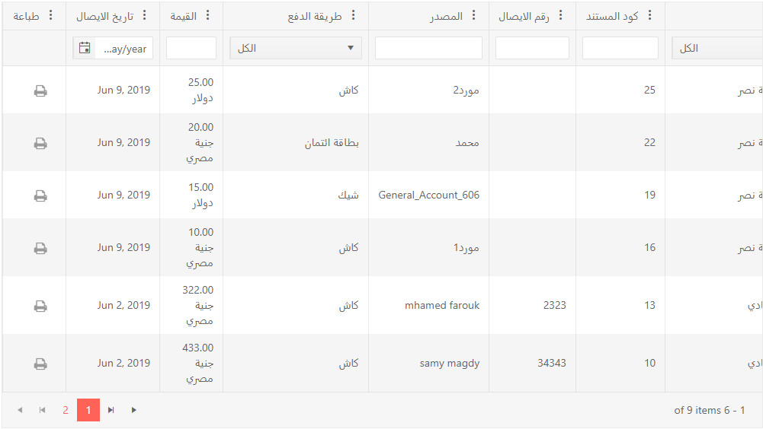 | Critical | High Priority | Ahmed Shaikoun | Open state
17 | Mersal-Movement of receipts | 2019-06-09 | the search field issue | the search field in multi cost center doesn't work | 1-login 2- click on add button 3- click on multi cost center checkbox. 4- search in any thing in search field inside it. | it works | it doesn't work | Major | High Priority | Ahmed Shaikoun | Open state | solved
18 | Mersal-Movement of receipts | 2019-06-09 | popup's issue | if there's any error while adding movement and then try to save it , there're two popups appear one arabic and another english. | 1-login 2- click on add button. 3- make any issue. 4- click save button. | popup appears based on language of the page | there're two popups appears english and arabic. | Minor | High Priority | Ahmed Shaikoun | Open state | please provide image or vedio
19 | Mersal-Movement of receipts | 2019-06-09 | secondary donation type issue. | the list of secondary donation type not completed like the live list. | 1-login 2-click on add button. 3-fill all the fields. 4-click on donator in source section. 5-choose (صدقه) from donation type. 6-choose (عام) from secondary donation type. 7-click on secondaty donation type. | the list should be complete | 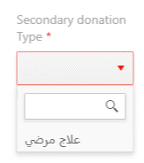 | Minor | Medium Priority | Ahmed Shaikoun | Open state | requrie more details
20 | Mersal-Movement of receipts | 2019-06-09 | secondary donation type issue. | there're two lists have the same name | 1-login 2-click on add button. 3-fill all the fields. 4-click on donator in source section. 5-choose (صدقه) from donation type. 6-choose (عام) from secondary donation type. 7-click on secondaty donation type. | one list by name and the other with different name | 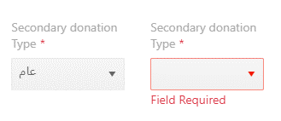 | Minor | Medium Priority | Ahmed Shaikoun | Open state | because this two types are related the same type sub donation type
21 | Mersal-Movement of receipts | 2019-06-09 | delegate with reciept number issue | if I choose delegate so writing reciept number is mandatory and that's not happen, so I can choose delegate without writing reciept number. | 1-login. 2-click on add button. 3- choose item from delegate list. 4-let reciept number empty. | should give me error that reciept number is mandatory | it accepts delegate without reciept number. | Major | High Priority | Ahmed Shaikoun | Open state
22 | Mersal-Movement of receipts | 2019-06-09 | preview icon (feature) | it has to be preview icon in movement of reciepts table. | 1-login | preview icon beside print icon or add new column called preview | there's no preview feature | Minor | Medium Priority | Ahmed Shaikoun | Open state | in this feature we don’t have details we have only invoice
23 | Mersal-Movement of receipts | 2019-06-09 | the reciept issue | the total in reciept have to be written which Currency he paid with | 1-login 2-click on print icon in print column. | the total should be by pound or dollar | not written the Currency of the mony. | Minor | Low Priority | Ahmed Shaikoun | Open state | solved
24 | Mersal-Movement of receipts | 2019-06-09 | the reciept issue | the date in top left corner should has bottom space between it and the reciept. | 1-login 2-click on print icon in print column. 4-click on print icon in popup. | the date appears without any cut on it |  | Minor | Medium Priority | Ahmed Shaikoun | Open state | this date of printing proccess its automatically added by printer or pdf
25 | Mersal-Movement of receipts | 2019-06-09 | the length of numbers not limited | the length of numbers not limited | 1- login 2- click on add button 3- write on value field any numbers . | be limited and the maximum 1000000 | it acceps unlimited numbers | Minor | Medium Priority | Ahmed Shaikoun | Open state | solved if you mean amount field
26 | Mersal-Movement of receipts | 2019-06-09 | numbers fields issue | numbers fields accept characters with wrong alerts appear | 1-login 2- click on add button 3- write in any number field capital characters. | numbers fields accepts only numbers values and incase of error appear alert that match the error. | the number field accept characters and wrong alert appears | Major | High Priority | Ahmed Shaikoun | Open state | if you mean recipt number w don’t know users might enter chars with number
27 | Mersal-Movement of receipts | 2019-06-09 | At Receipt Date in arabic language when I delete date it showed me an english word | At Receipt Date in arabic language when I delete date it showed me an english word | 1-login 2- click on add button 3- delete the date | Show in arabic instead of english |  | Minor | Medium Priority | Ahmed Shaikoun | Open state | resloved
28 | Mersal-Movement of receipts | 2019-06-09 | the reciept issue | the reciept has to be bigger and changeable based on the language | 1-login 2-click on print icon in print column. 3-click on print icon in popup. | has to be big enouph to be readable and the values change based on language. | it's small and values not change based on language. | Minor | Medium Priority | Ahmed Shaikoun | Open state | when you try to change language all filed will be tranlsated to target language except branch beacause it has no translation
29 | General | 2019-07-16 | Mersal foundation menu issue | I should click twice on menu button twice to open the menu | 1-login | click only one time to open the menu | I have to click twice to open the menu
30 | General | 2019-07-16 | Mersal foundation menu issue | if I clicked out of the menu it have to close the menu | 1-login | click any where of the page to close the menu | I have to click on the menu icon to close it

حركة المدفوعات
Defect ID | Module Name | Test Date | Summary | Description | Steps to Reproduce | Expected Result | Actual Result | Defect Severity | Defect Priority | Assigned to | Status | Comments
1 | Mersal-Movement of payments | 2019-06-10 | Mersal Foundation word issue | if I click on mersal foundation word in home page it make me back to login page | 1-login 2- click on mersal foundation word. | go to the home page or make the word not clickable. | go to the login page | Critical | High Priority | Ahmed Shaikoun | Open state
2 | Mersal-Movement of payments | 2019-06-10 | language issue | movement of reciepts table : payment, branch and the value columns should change when I change the language | 1- login 2-click on add 3-click on Branch | if I changed the language all columns should change to selected language except source name. | 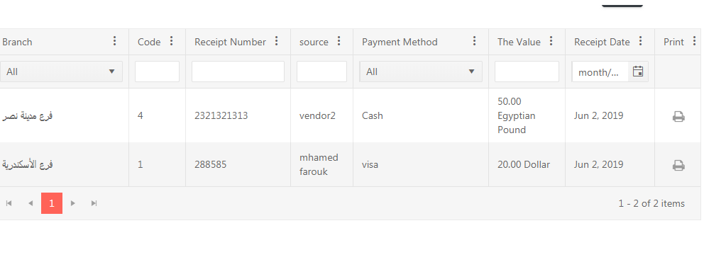 | Minor | Medium Priority | Ahmed Shaikoun | Open state
3 | Mersal-Movement of payments | 2019-06-10 | language issue | after changing the language to english and then try to change it back the language (عربي) has to change to (العربية) | 1-login 2-click on language button. 3- choose english language. 4- click on language button again. | العربية | عربي | Low | Low Priority | Ahmed Shaikoun | Open state
4 | Mersal-Movement of payments | 2019-06-10 | language issue | in arabic language the movement of receipts the number of items in page written by english and wrong | 1-login 2-go to the bottom of page | 1-5 من 5 (حركات او بنود) or be written by english and correct |  | Minor | Medium Priority | Ahmed Shaikoun | Open state
5 | Mersal-Movement of payments | 2019-06-10 | payments date issue | Payments date column in movement of payment table filtration field should be empty or completed | 1-login 2-document date | the filtration field be empty or complete |  | Low | Low Priority | Ahmed Shaikoun | Open state
6 | Mersal-Movement of payments | 2019-06-10 | the headers of movement of reciepts table issue | all the headers of movement of payments table clickable and when I click on any of them nothing happen so no need to be clickable. | 1-login | all the headers should not be clickable or after click on any of them navigate me to any thing. | nothing happen after click on any of them | Low | Low Priority | Ahmed Shaikoun | Open state
7 | Mersal-Movement of payments | 2019-06-10 | columns list in all the headers issue. | column list in all the headers no need to them just make one column list to all the headers. | 1-login 2- click on column menu in any of the headers. | one columns list because they all the same | in all the headers menu list. | Major | Medium Priority | Ahmed Shaikoun | Open state
8 | Mersal-Movement of payments | 2019-06-10 | filter icon in column menu in all headers issue | filter icon in column menu in all headers no need for it because there're filter in secound row in the table | 1-login 2- click on column menu in any of the headers. | without filter in column menu | there's two filter in each column on in column menu doesn't work and another in second row of the table | Major | Medium Priority | Ahmed Shaikoun | Open state
9 | Mersal-Movement of payments | 2019-06-10 | Payments date issue | the filter in column menu has to be in filter field in second row | 1-login 2- click on column menu in any of the headers. | the filtration in column menu moved to be in filteration field in second row of the table | there's two filter in each column on in column menu (the correct one) and another in second row of the table. | Major | High Priority | Ahmed Shaikoun | Open state
10 | Mersal-Movement of payments | 2019-06-10 | the filtration in second row of the table issue | in the filtration field in second row search icon missed so it search by char not after I finish writing the word. | 1-login 2-choose any field | should be search icon to write the word and then click on it | there's no search icon so it search by every char I wrote | Major | High Priority | Ahmed Shaikoun | Open state
11 | Mersal-Movement of payments | 2019-06-10 | mersal foundation issue | mersal foundation it has to be menu I can open or hide it. | 1-login | there's menu icon I can open or hide it | it always open | Low | Low Priority | Ahmed Shaikoun | Open state
12 | Mersal-Movement of payments | 2019-06-10 | delegate list issue | delegate isn't mandatory so if I chose one from the list then want to delete that choice .. There's no delete icon. | 1-login 2- click on add button 3- click on delegate list | there's x (delete) icon to cancel my choice | there's no delete icon | Major | High Priority | Ahmed Shaikoun | Open state
13 | Mersal-Movement of payments | 2019-06-10 | linked to multi or one cost center issue | linked to multi or one cost center check boxes if I choosed any of them without choosing any cost center and save it it accept this movement | 1-login 2- click on add button 3- choose (multi or one) cost center. 4- click save without choose cost center. 5- click on save button. | it prevents me save the movement untill I choose the cost center | it accepts saving the movement without choosing any cost center | Major | High Priority | Ahmed Shaikoun | Open state | its optional
14 | Mersal-Movement of payments | 2019-06-10 | Alert issue | if there's any error while adding movement and then try to save it , there're two popups appear one arabic and another english. | 1-login 2- click on add button. 3- make any issue. 4- click save button. | popup appears based on language of the page | there're two popups appears english and arabic. | Minor | High Priority | Ahmed Shaikoun | Open state
15 | Mersal-Movement of payments | 2019-06-10 | there's imp need to write receipt number when I chose delegate | if I choose delegate so writing reciept number is mandatory and that's not happen, so I can choose delegate without writing reciept number. | 1-login. 2-click on add button. 3- choose item from delegate list. 4-let reciept number empty. | should give me error that reciept number is mandatory | it accepts delegate without reciept number. | Major | High Priority | Ahmed Shaikoun | Open state
16 | Mersal-Movement of payments | 2019-06-10 | the reciept issue | the total in reciept have to be written which Currency he paid with | 1-login 2-click on print icon in print column. | the total should be by pound or dollar | not written the Currency of the mony. | Minor | Low Priority | Ahmed Shaikoun | Open state | there is no print in payment movment
17 | Mersal-Movement of payments | 2019-06-10 | Write english when it asked me to write in arabic and the opposite | At Statement of movement in arabic and the opposite | 1-login 2-go to statement of movement in arabic or english | don't accept english when arabic is required | accept arabic and english in one field | Low | Low Priority | Ahmed Shaikoun | Open state | beacuase it may want to write english word in arabic filled and versa vice
18 | Mersal-Movement of payments | 2019-06-10 | when I click on the value in arabic it showed an english message | when I clicked on the value in arabic it showed an english message | 1-login 2-click on the value 3-write a lot of numbers | showed an arabic message not english | 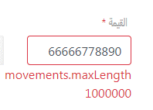 | Minor | Medium Priority | Ahmed Shaikoun | Open state | solved
19 | Mersal-Movement of payments | 2019-06-10 | the length of numbers not limited | the length of numbers not limited | 1- login 2- choose movement of payments frome mersal foundation menu 3- click on add button 4- write on value field any numbers . | be limited and the maximum 1000000 | it acceps unlimited numbers | Minor | Medium Priority | Ahmed Shaikoun | Open state | solved
20 | Mersal-Movement of payments | 2019-06-10 | numbers fields issue | numbers fields accept characters with wrong alerts appear | 1-login 2- choos movement of payments from mersal foundation menu 3- click on add button 4- write in any number field capital characters. | numbers fields accepts only numbers values and incase of error appear alert that match the error. | the number field accept characters and wrong alert appears | Major | High Priority | Ahmed Shaikoun | Open state | solved
21 | Mersal-Movement of payments | 2019-06-10 | At Receipt Date in arabic language when I delete date it showed me an english word | At Receipt Date in arabic language when I delete date it showed me an english word | 1-login 2-delete date | Show in arabic instead of english |  | Minor | Medium Priority | Ahmed Shaikoun | Open state | solved

قيود اليومية
Defect ID | Module Name | Test Date | Summary | Description | Steps to Reproduce | Expected Result | Actual Result | Defect Severity | Defect Priority | Assigned to | Status | Comments
1 | Mersal-Daily Restriction | 2019-06-10 | Mersal Foundation word issue | if I click on mersal foundation word in home page it make me back to login page | 1-login 2- click on mersal foundation word. | go to the home page or make the word not clickable. | go to the login page | Critical | High Priority | Ahmed Shaikoun | Open state | https://drive.google.com/file/d/19I5IiN5AH196YJ-_29Ej_5BqodLWlxcT/view
2 | Mersal-Daily Restriction | 2019-06-10 | language issue | daily restriction table : description english column should change when I change the language | 1- login | if I changed the language all columns should change to selected language. | 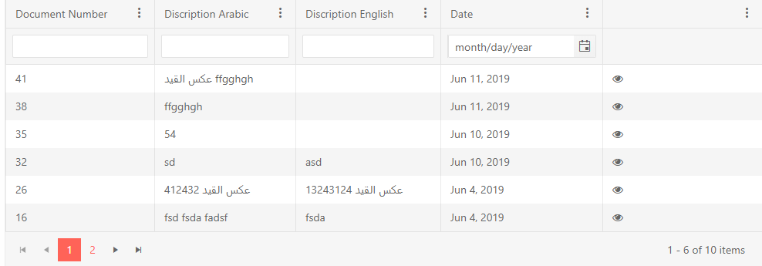 | Minor | Medium Priority | Ahmed Shaikoun | Open state
3 | Mersal-Daily Restriction | 2019-06-10 | language issue | daily restriction table : description english and description arabic columns should change to english or arabic description. | 1- login | if I changed the language to english the description english and arabic names are false the should be (english or arabic) description. | 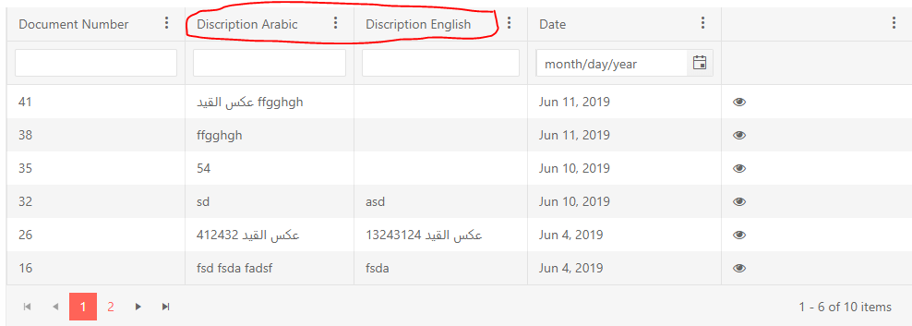 | Minor | Medium Priority | Ahmed Shaikoun | Open state
4 | Mersal-Daily Restriction | 2019-06-10 | language issue | after changing the language to english and then try to change it back the language (عربي) has to change to (العربية) | 1-login 2-click on language button. 3- choose english language. 4- click on language button again. | العربية | عربي | Low | Low Priority | Ahmed Shaikoun | Open state | click in area outside the menue with close it
5 | Mersal-Daily Restriction | 2019-06-10 | language issue | in arabic language in daily restriction table the number of items in page written by english and wrong | 1-login | 1-5 من 5 (حركات او بنود) or be written by english and correct |  | Minor | Medium Priority | Ahmed Shaikoun | Open state
6 | Mersal-Daily Restriction | 2019-06-10 | the headers of daily restriction table issue | all the headers of daily restriction table clickable and when I click on any of them nothing happen so no need to be clickable. | 1-login | all the headers to be not clickable or after click on any of them navigate me to any thing. | nothing happen after click on any of them | Low | Low Priority | Ahmed Shaikoun | Open state | https://drive.google.com/file/d/1sl5QnhX3d58hWAqbF9qVbojuLrtRlFCF/view
7 | Mersal-Daily Restriction | 2019-06-10 | columns list in all the headers issue. | column list in all the headers no need to them just make one column list to all the headers. | 1-login 2- click on column menu in any of the headers. | one columns list because they all the same | in all the headers menu list. | Major | Medium Priority | Ahmed Shaikoun | Open state | please provide image or vedio for bug
8 | Mersal-Daily Restriction | 2019-06-10 | filter icon in column menu in all headers issue | filter icon in column menu in all headers no need for it because there're filter in secound row in the table | 1-login 2- click on column menu in any of the headers. | without filter in column menu | there's two filter in each column on in column menu doesn't work and another in second row of the table | Major | Medium Priority | Ahmed Shaikoun | Open state | you will this filters icons in sorting data in the gride and choose which column you want to show
9 | Mersal-Daily Restriction | 2019-06-10 | date issue | the filter in column menu has to be in filter field in second row | 1-login 2- click on column menu in any of the headers. | the filtration in column menu moved to be in filteration field in second row of the table | there's two filter in each column on in column menu (the correct one) and another in second row of the table. | Major | High Priority | Ahmed Shaikoun | Open state | please provide image or vedio for bug
10 | Mersal-Daily Restriction | 2019-06-10 | the filtration in second row of the table issue | in the filtration field in second row search icon missed so it search by char not after I finish writing the word. | 1-login | should be search icon to write the word and then click on it | there's no search icon so it search by every char I wrote | Major | High Priority | Ahmed Shaikoun | Open state | because you may not
11 | Mersal-Daily Restriction | 2019-06-10 | mersal foundation issue | mersal foundation it has to be menu I can open or hide it. | 1-login | there's menu icon I can open or hide it | it always open | Low | Low Priority | Ahmed Shaikoun | Open state
12 | Mersal-Daily Restriction | 2019-06-10 | accounts tabl issue | first row in accounts table accepts both of creditor and debtor and if I added in the same time in other rows it accept also. | 1-login 2- choos daily restriction from mersal foundation menu 3- click on add button 4- write number in creditor . 5- write number in debtor. | it should accept only one of creditor or debtor | 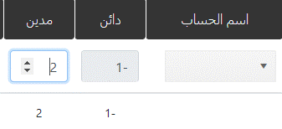 | Critical | High Priority | Ahmed Shaikoun | Open state | resolved
13 | Mersal-Daily Restriction | 2019-06-10 | accounts tabl issue | in first row in accounts table account name and cost center name sometimes in first select don't work I have to select twice to choose any item . | 1-login 2- choos daily restriction from mersal foundation menu 3- click on add button 4- try to choose from account name and cost center name. | when I select any item from drop down list item be selected. | sometimes first select doesn't work I have do it twice to select. | Minor | Medium Priority | Ahmed Shaikoun | Open state | https://drive.google.com/file/d/12lJtz30Rskp-lW7crCbAqVspG3mb6Yl_/view
14 | Mersal-Daily Restriction | 2019-06-10 | accounts tabl issue | sometimes if I tried to add new row in accounts table without filling any other fields it refuse to add and once I filled the fields it's automatically add the rows by number of clicked befor fill the fields. | 1-login 2- choos daily restriction from mersal foundation menu 3- click on add button 4- click on add new row icon 5- fill all required fields. | accept adding new rows without filling the other fields or don't accept even if I filled the other fields. | sometimes if I tried twice to add new row it refused then I filled the other fields it's automatically added two rows. | Minor | Medium Priority | Ahmed Shaikoun | Open state | please provide image or vedio for bug
15 | Mersal-Daily Restriction | 2019-06-10 | accounts tabl issue | it's random issue when I choose any account name in first row and any other account name in second row it refuse to save. | 1-login 2- choos daily restriction from mersal foundation menu 3- click on add button 4- fill all required fields in the page. 5- choose any account name in first row and other in second row. 6- save. | save the daily restriction | it refuse to save by random sometimes accept and sometimes accept. | Major | High Priority | Ahmed Shaikoun | Open state | I tried it and its worked correctly please provide vedio or image for the bug
16 | Mersal-Daily Restriction | 2019-06-10 | accounts tabl issue | if I write in creditor or debtor -1 or empty the save button be clickable and if I click on 2 error alert appear | 1-login 2- choos daily restriction from mersal foundation menu 3- click on add button 4- write number in creditor or debtor -1 or leave it empty. 5- click save button. | if I let it empty save button should not be clickable and if I write -1 both 2 cases should appear only one error alert. | save button be clickable in case of empty case and in both case empty and -1 appears 2 error alerts. | Minor | Medium Priority | Ahmed Shaikoun | Open state
17 | Mersal-Daily Restriction | 2019-06-10 | arabic and english statement issue | if I write by english language in arabic statement field it accept or write by arabic language in english statement field it accept | 1-login 2- choos daily restriction from mersal foundation menu 3- click on add button 4- write in english statement by arabic and the oppisite . | prevent to write in any field if the writing language not the field language | it accepts both languages in both fields | Minor | Low Priority | Ahmed Shaikoun | Open state | you may need to write english word in arabic description and versa vice
18 | Mersal-Daily Restriction | 2019-06-10 | document number and date issue | document number and date alerts in case of error don't work | 1-login 2- choos daily restriction from mersal foundation menu 3- click on add button 4- make any error in document number or date fields. | alert appears incase of error in document number and date fields | make red border in case of error but the alert not appears | Minor | Medium Priority | Ahmed Shaikoun | Open state | please provide image or vedio for bug
19 | Mersal-Daily Restriction | 2019-06-10 | numbers fields issue | numbers fields accept characters with wrong alerts appear | 1-login 2- choos daily restriction from mersal foundation menu 3- click on add button 4- write capital characters in any numbers fields. | numbers fields accepts only numbers values and incase of error appear alert that match the error. | the number field accept characters and wrong alert appears | Major | High Priority | Ahmed Shaikoun | Open state | resolved
20 | Mersal-Daily Restriction | 2019-06-10 | Date issue | At Date in arabic language when I delete date it showed me an english word | 1-login 2- choos daily restriction from mersal foundation menu 3- click on add button 4- delete date | Show in arabic instead of english or let it empty as usual | resolved | Minor | Medium Priority | Ahmed Shaikoun | Open state | resolved
21 | Mersal-Daily Restriction | 2019-06-10 | Date issue | the date accepts the future date | 1-login 2- choose daily restriction from mersal foundation menu 3- click on add button 4- choose future date from datepicker. | accept only past and the current date | accepts future date | Major | High Priority | Ahmed Shaikoun | Open state | resolved
22 | Mersal-Daily Restriction | 2019-06-10 | preview issue | if I click on reverse button it's add new word "عكس القيد" every time. | 1- login 2- choose daily restriction from mersal foundation menu 3- click on perview icon from the table. 4- click on reverse button | add only one time the word "عكس القيد" and in the next times it still the same word. | every time I click on reverse button it add the word. | Minor | Medium Priority | Ahmed Shaikoun | Open state | because it indicator to show how many times you reserved this record
23 | Mersal-Daily Restriction | 2019-06-10 | preview issue | if I click on reverse button it's add new word "عكس القيد" in arabic statement only | 1- login 2- choose daily restriction from mersal foundation menu 3- click on perview icon from the table. 4- click on reverse button | it add the word in both of arabic and english statements | it add the word only in arabic statements | Major | High Priority | Ahmed Shaikoun | Open state | resolved
24 | Mersal-Daily Restriction | 2019-06-10 | preview issue | if I click on reverse button it's add new word "عكس القيد" in english description in accounts table by arabic language not with english meaning. | 1- login 2- choose daily restriction from mersal foundation menu 3- click on perview icon from the table. 4- click on reverse button | adding the wor by english in english description. | add the arabic word in english description. | Minor | Medium Priority | Ahmed Shaikoun | Open state | because your selected language is arabic so all validation messages will apear with arabic laguage
25 | Mersal-Daily Restriction | 2019-06-10 | preview issue | if I preview the restrict the date be invalid date | 1- login 2- choose daily restriction from mersal foundation menu 3- click on perview icon from the table. | the date that restrict created or be reversed | the date field appears invalid date | Major | High Priority | Ahmed Shaikoun | Open state | resolved

الدليل او الشجرة المحاسبية
Defect ID | Module Name | Test Date | Summary | Description | Steps to Reproduce | Expected Result | Actual Result | Defect Severity | Defect Priority | Assigned to | Status | Comments
1 | Mersal Accounting Tree | 2019-06-16 | account code field issue | it's accepting characters | 1-login 2-click on accounting tree button from mersal foundation menu. 3- write capital characters. | it refuse me to write any char or word. | it accepts write chars and words | Major | High Priority | Ahmed Shaikoun | Open state
2 | Mersal Accounting Tree | 2019-06-16 | account code field issue | there's no length limit in account code | 1-login 2-click on accounting tree button from mersal foundation menu. 3- write unlimit value | refuse any value more than the limit | it accepts unlimit values | Major | Medium Priority | Ahmed Shaikoun | Open state
3 | Mersal Accounting Tree | 2019-06-16 | language issue | arabic and english fields accepts any other language | 1-login 2-click on accounting tree button from mersal foundation menu. 3- write any language at any field | it should accept the field language only | it accepts any language | Minor | Medium Priority | Ahmed Shaikoun | Open state
4 | Mersal Accounting Tree | 2019-06-16 | refuse adding forth level account | refuse adding account under 412333 | 1-login 2-click on accounting tree button from mersal foundation menu. 3- write in accounting code 4123334444 4-fill other fields | it should accept and create | it's refuse to add onther account under 412333 | Critical | High Priority | Ahmed Shaikoun | Open state
5 | Mersal Accounting Tree | 2019-06-16 | adding child under level | adding account for non exist level | 1-login 2-click on accounting tree button from mersal foundation menu. 3- write in accounting code fill other fields | it should refuse to add because of the level that I wrote dosen't exist | I can add another account | Critical | High Priority | Ahmed Shaikoun | Open state
6 | Mersal Accounting Tree | 2019-06-16 | adding child under a branch account | I can add under branch account | 1-login 2-click on accounting tree button from mersal foundation menu. 3- write in accounting code fill other fields | it should refuse to add under any branch account | I can add under branch account | Critical | High Priority | Ahmed Shaikoun | Open state
7 | Mersal Accounting Tree | 2019-06-16 | adding conflict with review | if I tried to add a child account with same number as another different hirarchy it’s refuse to add and review the the wrong hirarchy | 1-login 2-click on accounting tree button from mersal foundation menu. 3- write in accounting code fill other fields | it should add if the parent is different | it refuse to add and wronge display to another hirarchy | Critical | High Priority | Ahmed Shaikoun | Open state
8 | Mersal Accounting Tree | 2019-06-16 | UI and displaying issue | in accounting tree table some of names not completed | 1-login 2-click on accounting tree button from mersal foundation menu. | it should be comleted | 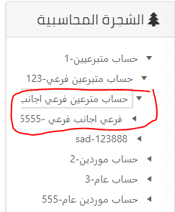 | Minor | Medium Priority
9 | Mersal Accounting Tree | 2019-06-16 | invalid pattern (schema) | if I added a wrong pattern it accepts that normaly. Ex: add 1234567 | 1-login 2-click on accounting tree button from mersal foundation menu. 3- write in accounting code fill other fields | it should refuse my wrong pattern | it accepts wrong pattern | Critical | High Priority | Ahmed Shaikoun | Open state

UI,UX & security
Defect ID | Module Name | Test Date | Summary | Description | Steps to Reproduce | Expected Result | Actual Result | Defect Severity | Defect Priority | Assigned to | Status | Comments
1 | UI&UX and security | 2019-06-18 | Tables issue | when I resize the screen to different sizes the table no visible complete. | 1-login 2-click on any department that have a table. | the table resize with the screen size | 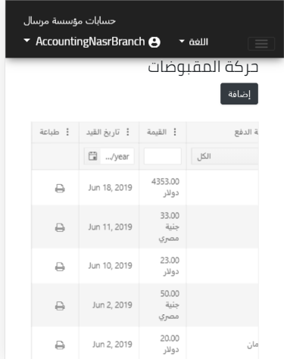 | Major | High Priority | Ahmed Shaikoun | open state
2 | UI&UX and security | 2019-06-18 | accounting tree issue | in accounting tree if I made the screen size less the accounting tree word gone. | 1-login 2- click on accounting tree button from mersal foundation menu | the accounting tree word be exist | 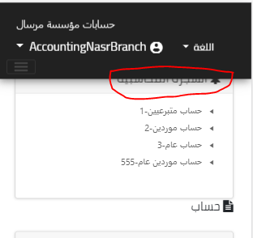 | Minor | Medium Priority | Ahmed Shaikoun | open state
3 | UI&UX and security | 2019-06-18 | daily restriction issue | all the fields when I preview the daily restriction if I hack it, it be enable and I can save the changes but the changes not be done except arabic movement description the changes field done in it. | 1-login 2- click on daily restriction from mersal foundation menu 3- click on add button. | it refuse to save the changes if I hacked the fields | it accepts to change the fields values and submit it | Major | High Priority | Ahmed Shaikoun | open state
4 | UI&UX and security | 2019-06-18 | daily restriction issue | if I did what in the above bug the arabic movement description field be affected by the changes. | 1-login 2- click on daily restriction from mersal foundation menu 3- click on add button. | it should to submit if I hacked the field and never accept changes | it accept to submit and the data that I chage it | Critical | High Priority | Ahmed Shaikoun | open state
5 | UI&UX and security | 2019-06-18 | purchases bill issue | all the disable fields when I create the purchases bill if I hack it, it be enable and I can save the changes but the changes not be done but the net ammout be empty | 1-login 2- click on purchases bill from mersal foundation menu 3- click on add button. | it refuse to save the changes if I hacked the fields | it accepts to change the fields values and submit it | Major | High Priority | Ahmed Shaikoun | open state
6 | UI&UX and security | 2019-07-15 | movement of (reciepts +payments) design issues | submit button isn't in the same line like above sections | 1-login 2-click on add button of movement of (reciepts +payments) | save button to be in the same line like above sections |  |  |  | Ahmed Shaikoun | open state
7 | UI&UX and security | 2019-07-15 | movement of (reciepts +payments) design issues | central cost + multiple central cost there's big space above | 1-login 2-click on add button of movement of (reciepts +payments) | no need for the space in the above | there's space above |  |  | Ahmed Shaikoun | open state
8 | UI&UX and security | 2019-07-15 | in all screens | save and close buttons are too close should be a space between them | 1-login 2-click on add button of any screen | space between them | there's no space between them |  |  | Ahmed Shaikoun | open state
9 | UI&UX and security | 2019-07-15 | movement of (reciepts +payments) design issues | movement of (reciepts +payments) word should be in the middle between the two lines | 1-login 2-click on add button of movement of (reciepts +payments) | it's out of the line | 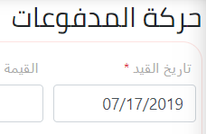 |  |  | Ahmed Shaikoun | open state
10 | UI&UX and security | 2019-07-15 | in all screens | under save and back buttons there's a space | 1-login 2-click on add button of any screen | without the space in the bottom of the page | there's a space in the bottom of the page |  |  | Ahmed Shaikoun | open state
11 | UI&UX and security | 2019-07-15 | in all screens | branch name in logout field shouldn't be one word like (nasrcity) | 1- login | it should be nasr city | it's nasrcity |  |  | Ahmed Shaikoun | open state
12 | UI&UX and security | 2019-07-16 | movement of (reciepts +payments) design issues | vendor name field is too big | 1-login 2-click on add button of movement of (reciepts +payments) | it should be small than that | it's too big
13 | security | 2019-07-16 | hack on document on movement of payments | hack on document on save button in movement of payments then fill all the data and click save the values of دائن ومدين be wrong | 1-login 2-click on add button of movement of (reciepts +payments) | it should not be effected | it's effected
14 | Responsive | 2019-07-16 | responsive issue | if I try responsive test the mersal foundation menu doesn't open | 1-login | if I clicked it open | I can't open the mersal menu
15 | Responsive | 2019-07-16 | responsive issue | categories table if I try responsive test have an issue | 1-login 2- click on add button in purchases bil and rebate | it should appear complete | if I small the screen not all the table appear
16 | Responsive | 2019-07-16 | responsive issue | the first field on all screens it not appear complete | 1-login 2-click on add button on any screen | all the page should be clear and appeared | the top of any page not appeared
17 | Responsive | 2019-07-16 | responsive issue | in Automatic Posting the journal posting nothing appeare | 1-login 2- click on journal posting from mersal foundation menu | it should display "Automatic posting is On" | nothing appear
18 | Responsive | 2019-07-16 | UI issue | there's a white space in the right of the screen appear | 1-login 2- click on reports from mersal foundation menu 3- choose any section and create a report for it. | the report should take all of the page | there's white space in the right of the screen
19 | Responsive | 2019-07-16 | responsive issue | if I try responsive test in reports not all of the data appears and error in the show | 1-login 2- click on reports from mersal foundation menu | the data should be appeared in responsive test | not all the data appear
20 | Responsive | 2019-07-16 | responsive issue

